Sheet1
WSR2 WHITE |  | WSR1 GREY |  | WSR2 GREY |  | WSR3 BLUE |  | WSR3 WHITE |  | WSR 5 WHITE |  |  |  | WSR5 BLUE | WSR1 BLUE |  | WSR2 BLUE |  | WSR6 BLUE |  | WSR6 WHITE |  | WSR8 WHITE

size | qtty | size | quantity | size | quantity | size | quantity | size | qtty | size | quantity |  | size | quantity | size | quantity | size | qtty | size | qtty | size | qtty | size | qtty
11 |  | 11 | 12 | 11 | 33 | 22 | 12 | 22 |  | 22 | 5 |  | 24 | 36 | 11 | 31 | 11 | 21 | 22 | 6 | 22 | 18 | 24 | 72
11.5 | 18 | 11.5 | 45 | 11.5 | 72 | 24 | 12 | 24 | 9 | 24 | 31 |  | 26 | 54 | 11.5 | 19 | 11.5 | 34 | 24 | 36 | 24 | 30 | 26 | 147
12 |  | 12 | 45 | 12 | 60 | 26 | 0 | 26 | 30 | 26 | 0 |  | 28 | 120 | 12 | 84 | 12 | 0 | 26 | 102 | 26 | 0 | 28 | 168
12.5 | 0 | 12.5 | 0 | 12.5 | 66 | 28 | 9 | 28 | 114 | 28 | 130 |  | 30 | 216 | 12.5 | 102 | 12.5 | 7 | 28 | 12 | 28 | 0 | 30 | 171
13 | 0 | 13 | 0 | 13 | 98 | 30 | 159 | 30 | 72 | 30 | 174 |  | 32 | 288 | 13 | 22 | 13 | 0 | 30 | 0 | 30 | 50 | 32 | 98
13.5 | 0 | 13.5 | 27 | 13.5 | 48 | 32 | 141 | 32 | 27 | 32 | 57 |  | 34 | 240 | 13.5 |  | 13.5 | 0 | 32 | 0 | 32 | 0 | 34 | 24
14 | 6 | 14 | 57 | 14 | 16 | 34 | 138 | 34 | 48 | 34 | 39 |  | 36 | 48 | 14 |  | 14 |  | 34 | 12 | 34
14.5 | 0 | 14.5 | 94 | 14.5 | 10 | 36 | 54 | 36 | 97 | 36 | 19 |  | 38 | 3 | 14.5 |  | 14.5 |  | 36 | 60 | 36
15 | 9 | 15 | 72 | 15 | 24 | 38 | 39 | 38 | 0 | 38 | 10 |  | 40 | 9 | 15 |  | 15 |  | 38 | 30 | 38
15.5 |  | 15.5 | 47 | 15.5 | 21 | 40 | 60 | 40 | 0 | 40 | 21 |  |  |  | 15.5 |  | 15.5 |  | 40 | 0 | 40
16 | 61 | 16 | 3 |  |  | 42 | 30 | 42 |  | 42 | 6 |  |  |  | 16 |  | 16 |  | 42 | 6 | 42
16.5 | 24 | 16.5 | 3 |  |  |  |  | 44 |  | 44 | 42 |  |  |  | 16.5 | 11 |  |  |  |  | 44
17 | 27 |  |  |  |  |  |  |  |  | 46 | 18 |  |  |  | 17 | 0
17.5 | 31 |  |  |  |  |  |  |  |  |  |  |  |  |  | 17.5 | 13
 |  |  | 405 |  | 448 |  | 654 |  | 397 |  | 552
 |  |  |  |  |  |  |  |  |  |  |  |  |  | 1014 |  | 282 |  | 62 |  | 264 |  | 98 |  | 680

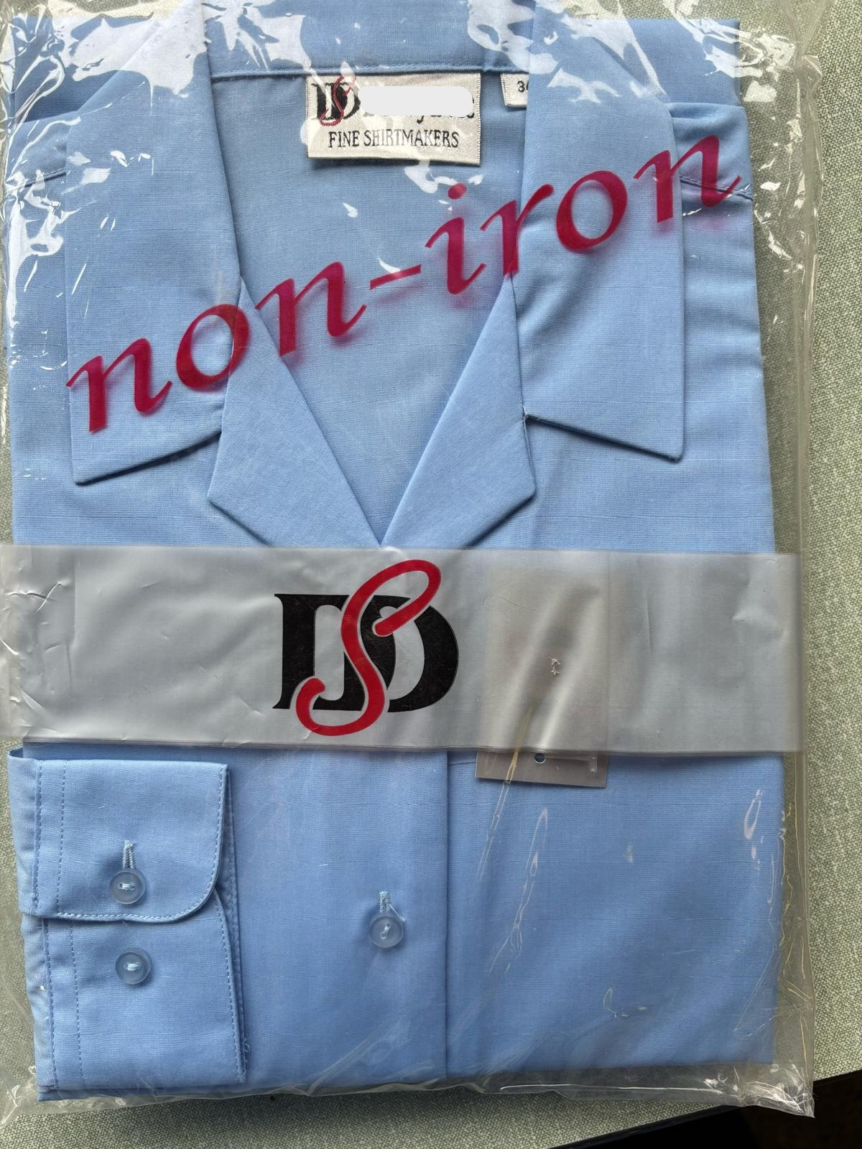
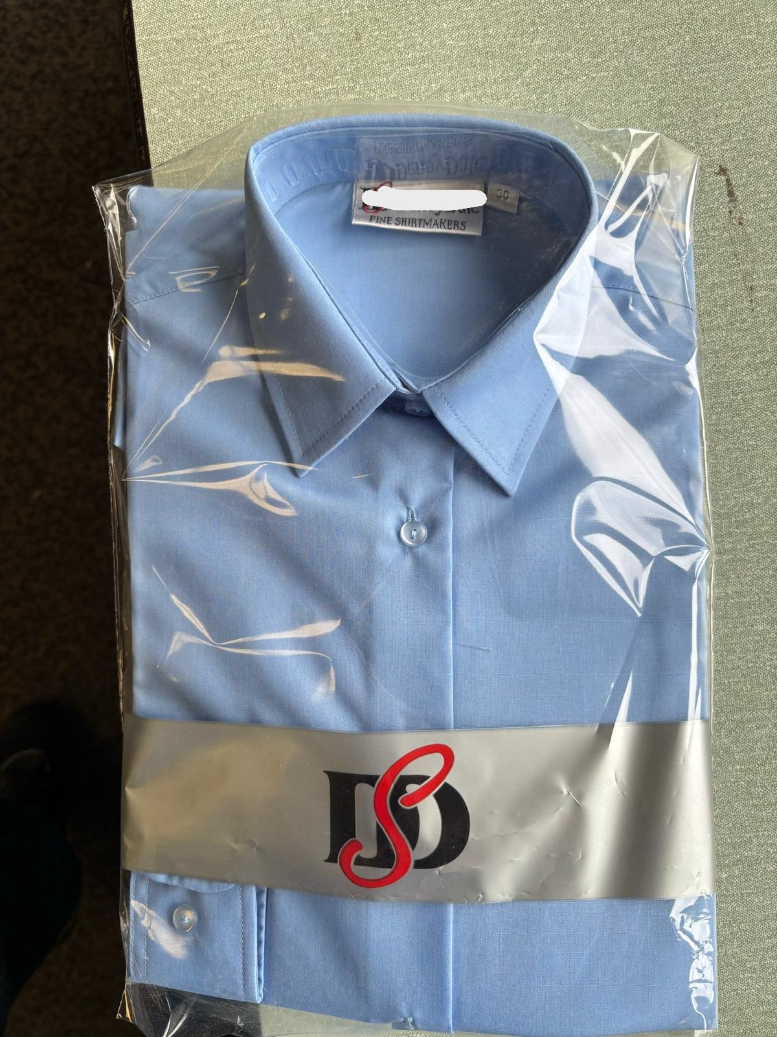
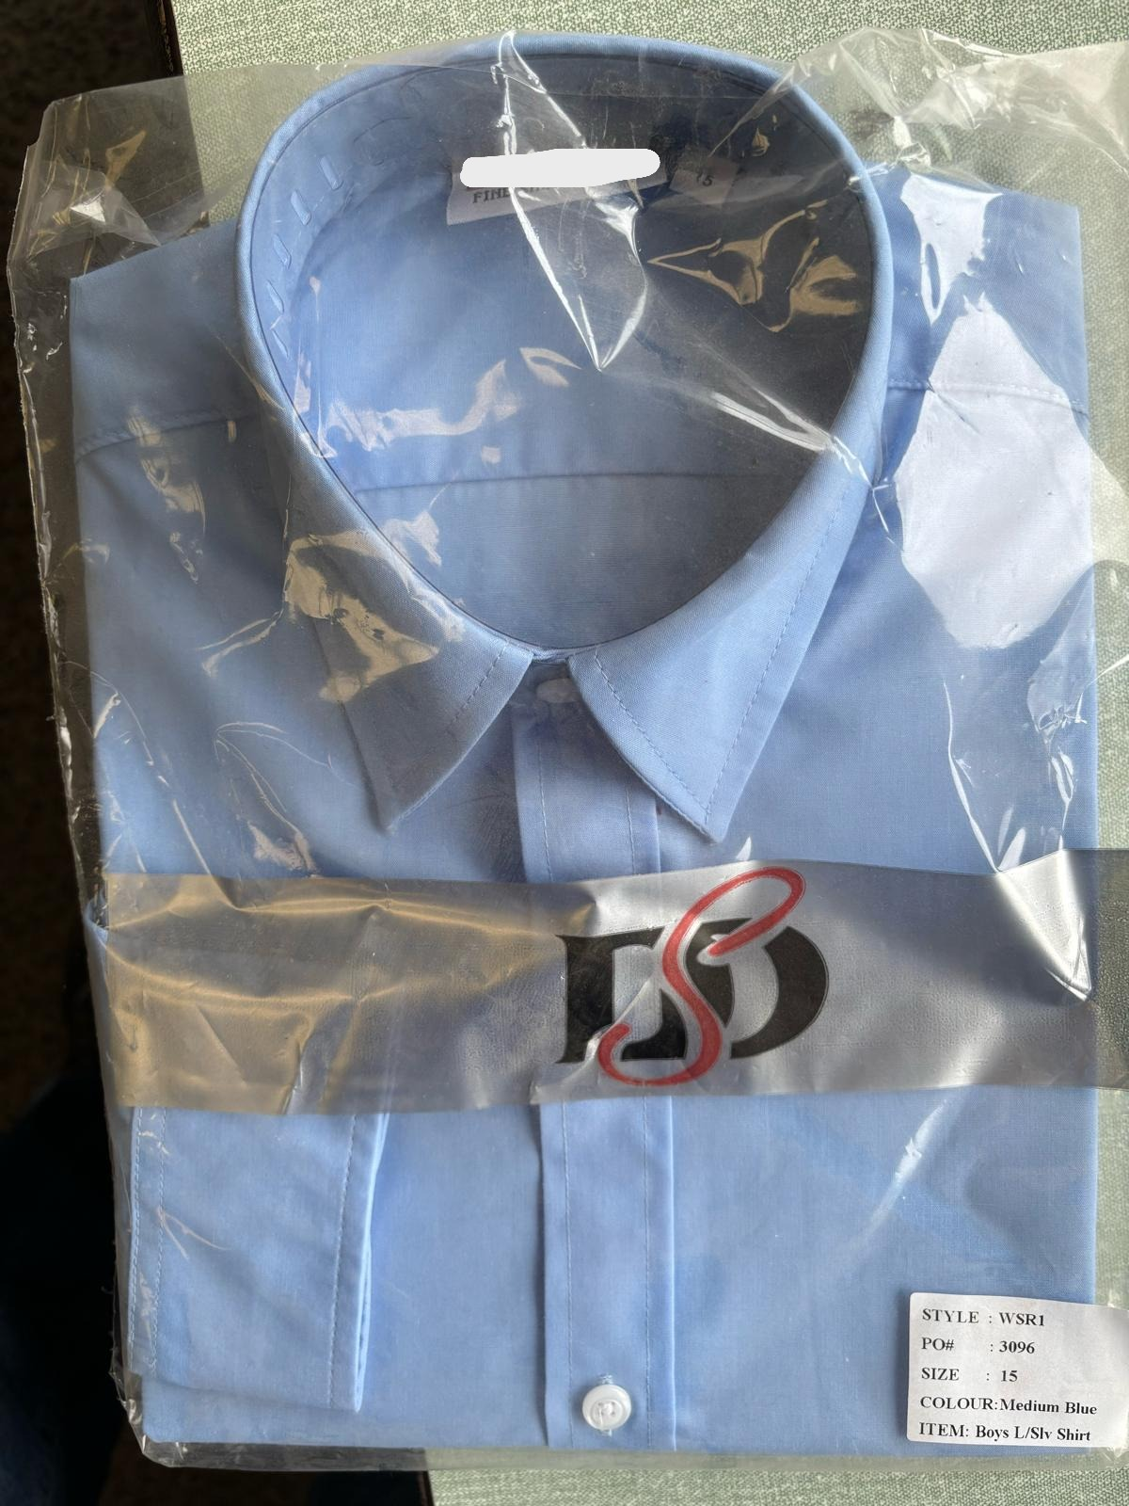
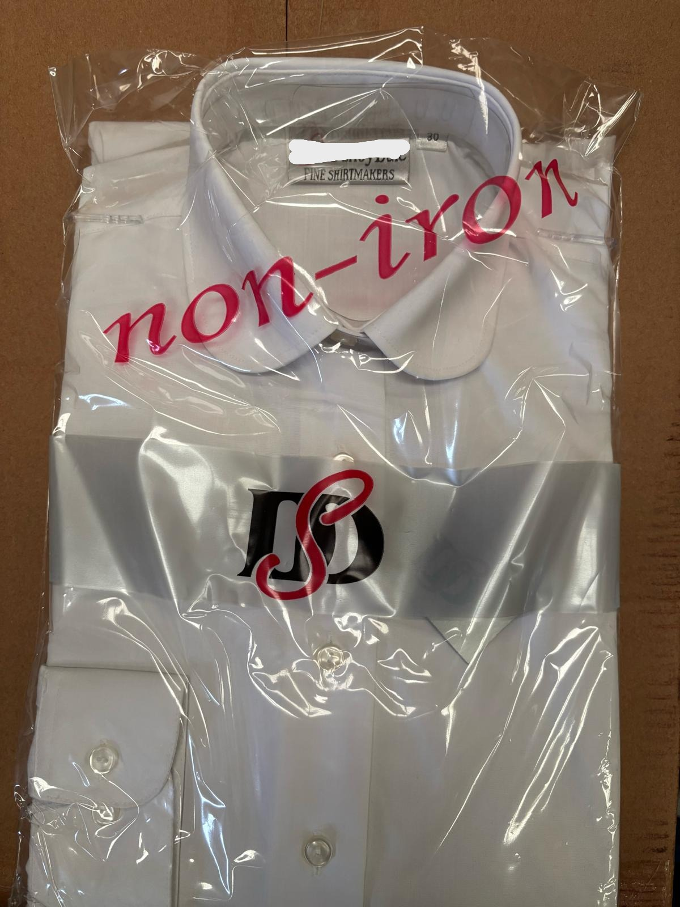
All twin packs |  |  |  |  |  |  |  |  |  |  |  | Total: 4451
WSR1 - b/n ls shirt
WSR2 - b/n ss shirt
WSR3 - b/n ls blouse
WSR5 - o/n ls blouse
WSR6 - o/n ss blouse
WSR8 katie ls blouse

